Responsive testing & problems
Responsive Testing | Problems | Screenshots
Add to cart button in chrome | When we select a pizza from given category It shows us image of pizza and it's information,in this image there are 'Add to cart' button is shown below it is not show properly in chrome browser.
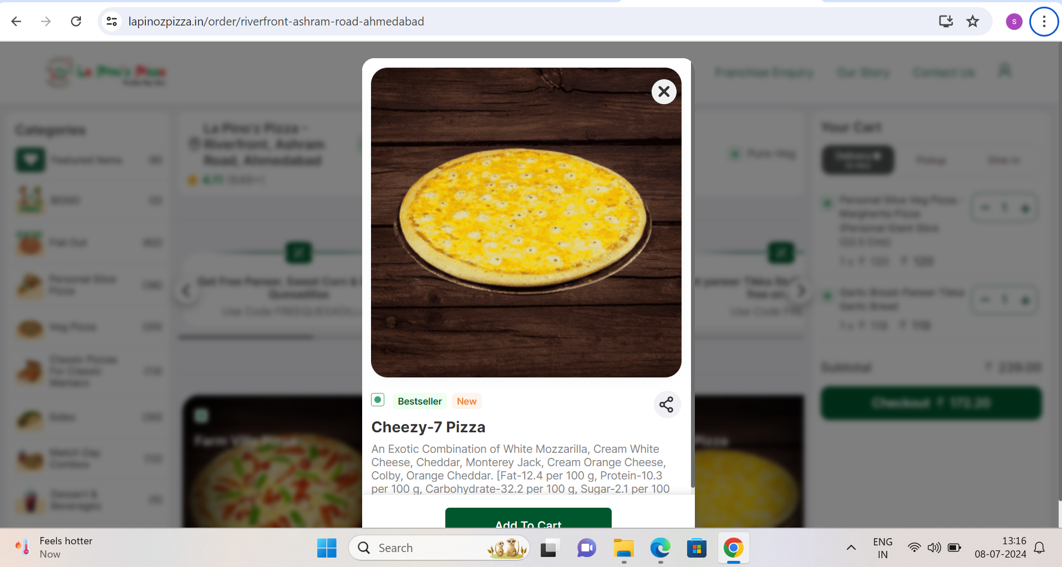

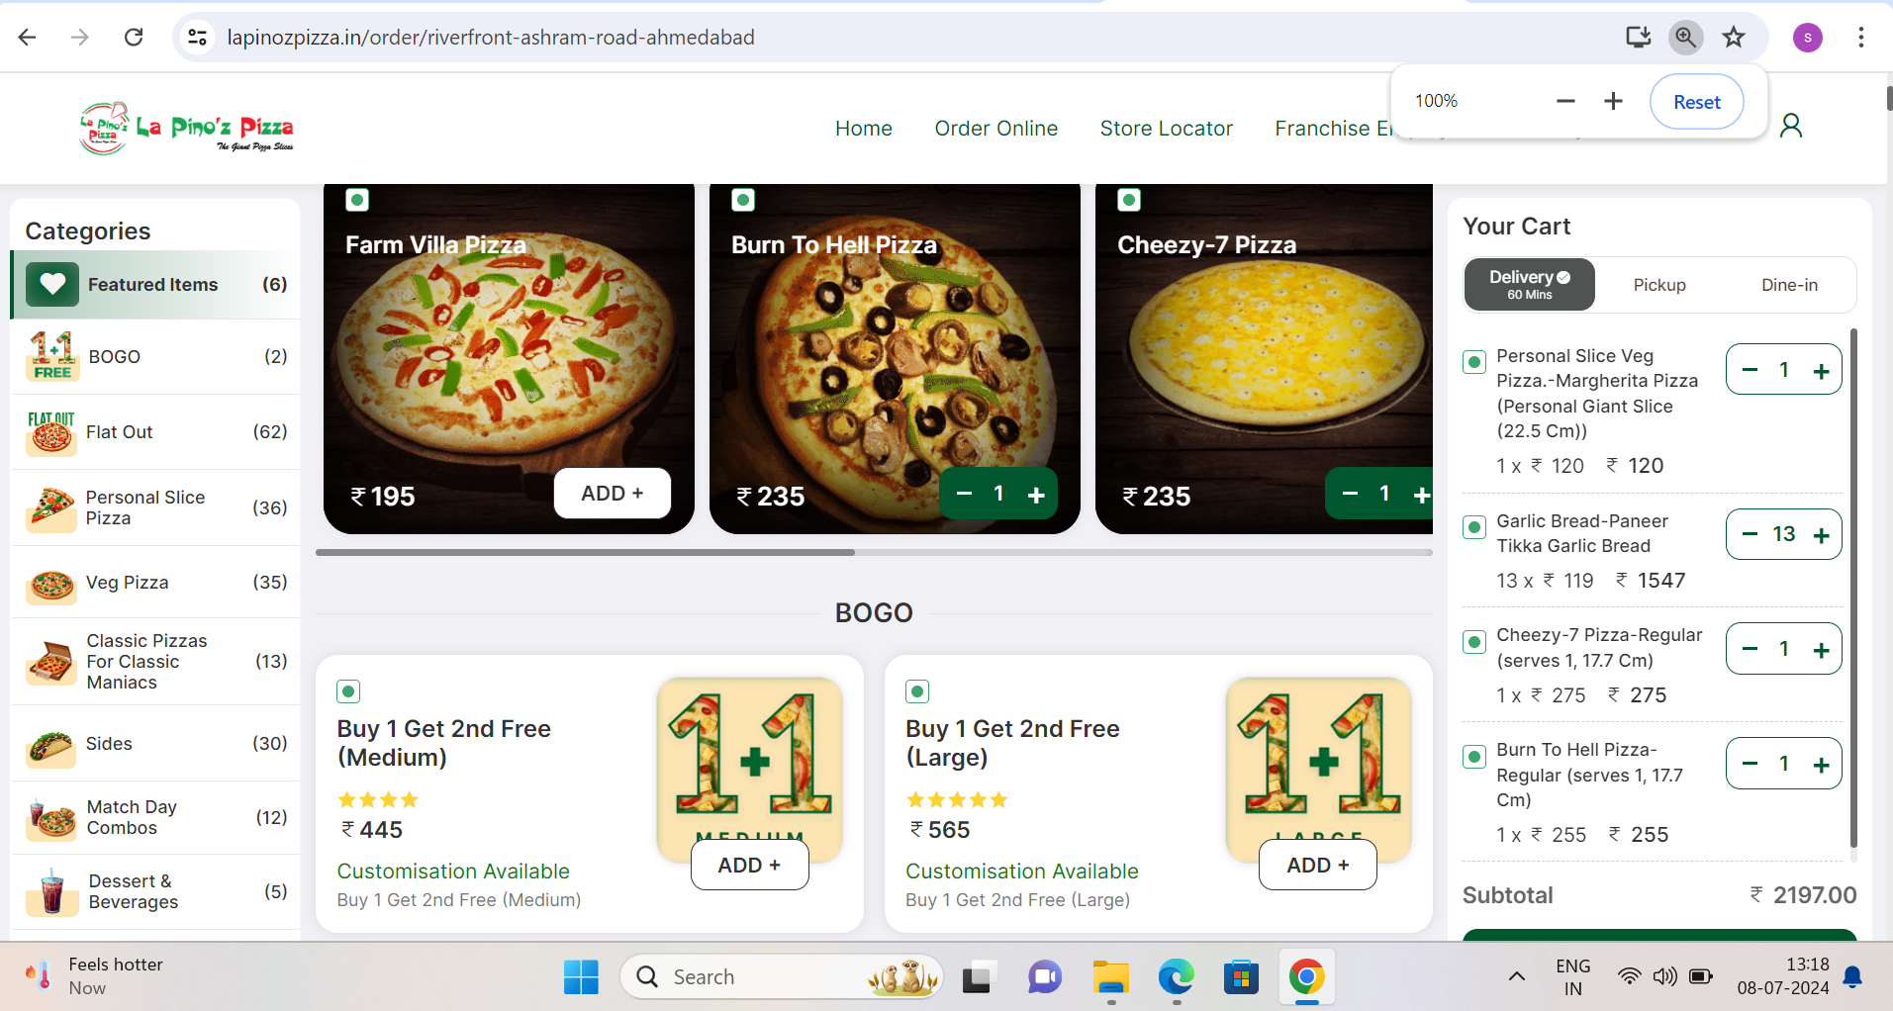
Checkout' button in chrome | When we select and add pizzas into cart if quantity is large then 'Checkout' button is not show properly.

